Sheet1
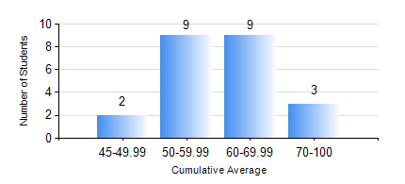
 |  |  | KWAME NKRUMAH UNIVERSITY OF SCIENCE AND TECHNOLOGY, KUMASI Department of Mechanical Engineering

 |  |  | BSC. MARINE ENG.

 |  |  | COMPREHENSIVE RECORD OF EXAMINATION RESULTS

 |  |  | RESULTS OF YEAR 4 FIRST SEMESTER, 2021/2022 ACADEMIC YEAR

 | Sn | Course Code |  | Course Name | Credit Hours | Min. Mark | Max. Mark | Avg. Mark | Std. Dev. | No. Passed | No. Trailed | No. (Df) | No. (I) | No. (I*) | No. Tagged(I,I*,Df) | Total
 | 1. | MME 453 |  | HYDRAULICS AND PNEUMATICS | 3 | 41 | 78 | 64 | 10.04 | 23 | 0 | 0 | 0 | 0 | 0 | 23
 | 2. | MME 465 |  | MARINE AIR CONDITIONING AND REFRIGERATION | 3 | 40 | 93 | 70 | 15.59 | 23 | 0 | 0 | 0 | 0 | 0 | 23
 | 3. | MME 467 |  | MARINE INTERNAL COMBUSTION ENGINES | 2 | 49 | 82 | 64 | 9.4 | 23 | 0 | 0 | 0 | 0 | 0 | 23
 | 4. | MME 473 |  | MARINE MACHINERY SYSTEM DESIGN | 2 | 44 | 91 | 68 | 12.21 | 23 | 0 | 0 | 0 | 0 | 0 | 23
 | 5. | MME 491 |  | MARINE ENGINEERING ECONOMY, ACCOUNTING AND MANAGEMENT | 3 | 51 | 77 | 67 | 7.04 | 23 | 0 | 0 | 0 | 0 | 0 | 23
 | 6. | MME 495 |  | MARINE ENGINEERING PRACTICAL | 2 | 80 | 83 | 81 | 0.98 | 23 | 0 | 0 | 0 | 0 | 0 | 23
 | 7. | MME 497 |  | FINAL YEAR PROJECT I | 3 | 62 | 74 | 68 | 4.28 | 23 | 0 | 0 | 0 | 0 | 0 | 23

